Mini 2 200
Technical Data Sheet - Domestic Thermodynamics Solar Heat Pump

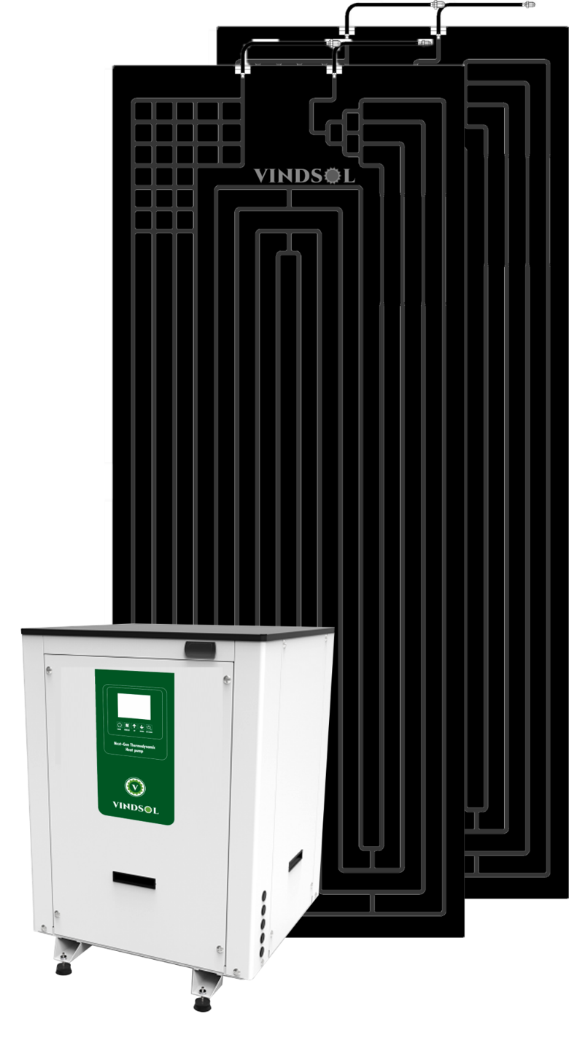

WORLDS MOST ADVANCED SOLAR HEAT PUMP TECHNOLOGY

NEXT-GEN THERMODYNAMICS SOLAR HEAT PUMP

Technical Data Sheet - Domestic Thermodynamics Solar Heat Pump

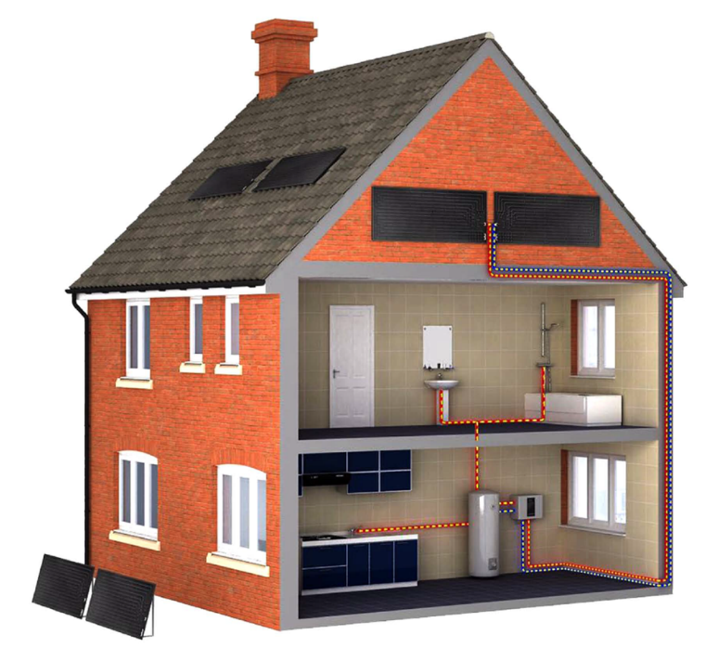 NEXT-GEN THERMODYNAMICS SOLAR HEAT PUMP |  |  | The Thermodynamic Solar System joins two incomplete technologies, the heat pump and the solar thermal collector. Heat pumps are quite efficient equipment but the heat they produce from their renewable component varies only according to changes in the temperature of the environment. Thermal solar collectors are the best source of heat on hot and sunny days, but they are totally inefficient whenever there is no sun. The thermodynamic Solar Technology manages to surpass the limitations of both the heat pump and solar collector. Through the cooling liquid (R134a or R407c ) which covers a closed circuit, the liquid goes into the solar panel and extract the thermal energy of sun , rain, wind, environment temperature and other climate factors . During this process the liquid gains heat in a more favorable way than a heat pump. after this stage , the heat it transferred to an exchanger with the help of a small compressor, which heats the water , The liquid cools down and the circuit is repeated. As the fluid has a boiling temperature of approximately -30C , the system works even when there is no sun and it even works at night, hail, rain, wind or shine , unlike the traditional solar thermal system. The energy consumption of the system is basically the same as fridge compressor that makes the liquid circulate. there are no ventilators that help the evaporation process, of defrost cycles, which imply unnecessary energy consumption, unlike what happened with heat pump

The Thermodynamic Solar technology offers high performance even at night, with rain, or on overcast days, this being an advantage over conventional solar panels whose performance is limited as they rely exclusively on direct solar radiation and a compulsory southward orientation (Northern Hemisphere).

NEXT-GEN THERMODYNAMICS SOLAR PANEL COLLECTOR Latest generation thermodynamic solar collector: it is a roll-bond panel with double channel through which the fluid refrigerant circulates, being able of providing high performance at night and in adverse climate conditions. Life span of more than 10 years: the panel is made of anodized aluminum 30 micron, which ensures The following properties • Great toughness at high and low temperatures. • High surface hardness. • Resistance to abrasion and weakening. • High protection against dust and dampness. • Corrosion-resistant. User-friendly transport and easy handling systems: small size 2 m x 0,8 m. Versatility: easy integration on facades, roofs or any other surface. It is not necessary to reinforce structures as it is a lightweight panel, 8 kg. Optimized solar catchment area: both sides of the panel, 3,20 sqm. No need to be south orientated (Northern Hemisphere). Vindsol recommends to orientate the collector as much as possible to the sun and exposed to the elements, such as wind and rain. Regular maintenance is not necessary. |  |  |  | 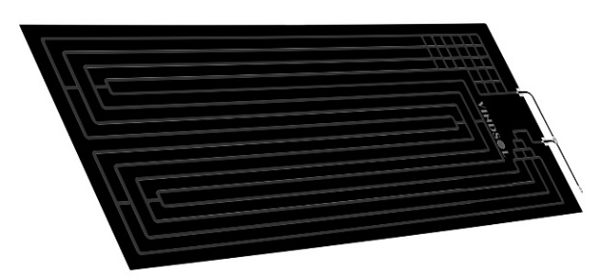 

NEXT-GEN THERMODYNAMICS SOLAR HEAT PUMP

TECHNICAL SPECIFICATION
Model |  | MiNi2-300

Thermodynamic Solar Panel
Material & Finish |  | Powder coated Anodised aluminium Alloy panel
Thickness | L X W X T (mm) | 2 mm aluminium for increased mechanical strength
Protection |  | Corrosion resistant and adaptability to all weathers
Dimensions L X W X T | mm | 2000 X 800 * 20
Maximum working Pr. | Bar | 10
Test pressure | Bar | 15
Maximum exposure temp. | °C | 100
Minimum running temp. | °C | 10
Qty | Nos | 2
Thermodynamic Box
Absorbed power KW (Average/Max) |  | 0.72 KW |  |  | 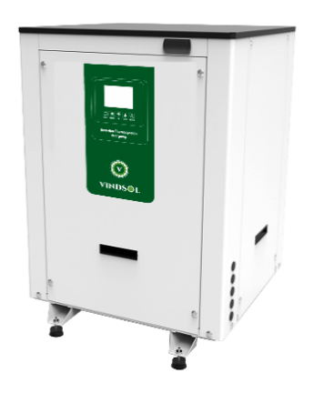 
Thermal Calorific power (Average/Max) |  | 3.6 KW
Compressor Type |  | Rotary Type - Heat pump COmpressor
Throttle Type |  | Electronic expansion valve (EEV)
Rated outlet water temp.℃ |  | 50-55 Deg
Max outlet water temp.℃ |  | 55 Deg
Power V/Ph/Hz |  | 220V/1PH/ 50Hz
Heat exchanger type |  | High efficiency tube in tube heat exchanger
Heat exchanger No. |  | 1
Controller type |  | Intelligent PCB & LCD
Ambient Temperature |  | (0℃~+45 ℃)
Low pressure protection |  | Yes
High pressure protection |  | Yes
Automatic defroting system |  | Yes
Overload protection |  | Yes
Noise in 1 meter |  | 50 dB
Water pipe size |  | 25 NB
Water flow volume |  | 2 M3/hr
Circulation Pump |  | Additional
Net Weight | Kg | 50 Kg Apprx
Cabinet | Type | Stainless Steel / Galvanised Steek
Dimension | LxWXH | 700 X 700 X 1000
Electrical support power |  | 2 Kw
Circulation Pump |  | Builtin Hot water circualtor Pump
Cabinet | Type | Stainless Steel / Galvanised Steek
Dimension | LxWXH | 500 X 450 X 375
Refrigerant
Cooling Fluid * |  | R134a
Piping Material |  | Copper (DHP ISO1337)
Line of liquid |  | 3/8"
Line of aspiration |  | 1/2"
Storage Water Heater
Volume | Litres | 200 Lts Imported Glass Lined |  |  | 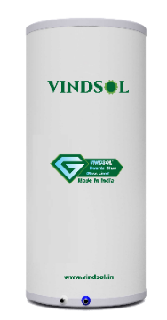
Type of internal Tank |  | Cellipsoidal RC premium Steel
Outer Shell material |  | Pre Coated GI 0.5 mm
Inner Tank Dia |  | 480 mm
Outer tank dia |  | 580 mm
Coating of internal Tank |  | QuartzBlue Glass lining
Tank Insualtion |  | High density compressed PUF insualtion 50 mm
Water Inlet / Outlet | In | 3/4"
Circulation water inlet/outlet | In | 3/4"
Working pressure | Bar | 7
Test pressure | Bar | 10
Maximum water temp. | °C | 75
Water temperature | °C | 55
ELECTRIC BOARD - ONE TOUCH PCB CONTROLLER
One touch intelligent controller with Touch screen design, clear working condition displaying, and self-check function of error.
Power feed |  | 220V/1PH/ 50Hz
Controller |  | Next Gen PCB controller
Testing condition : * Heating: Ambient temp. (DB/WB): 20℃/15℃, water temp. (input/output): 15℃/55℃. The above data is only for reference: specific data is subject to the product
COPPER TUBING aand plumbing UNITS AND ACCESSORIES - To be arranged locally
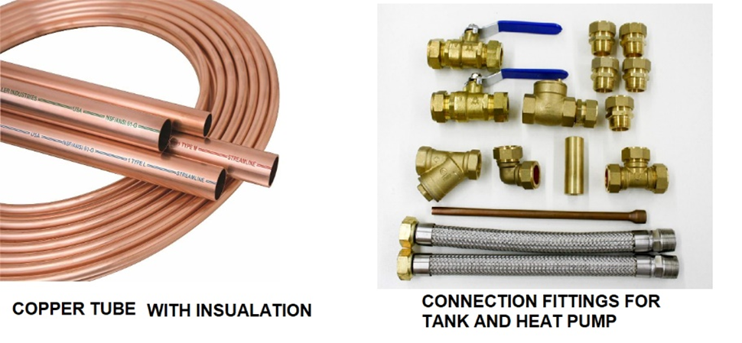 |  |  |  |  | Consumable like copper piping along with insualtion and required accessories is included 2. Complete Plumbing with neceesary valve along with insulation will be in scope of customer

 |  |  |  |  |  |  |  | -

Commercial Offer
Vindsol Make Next Gen Commercial Thermodynamics solar heat pump for 200 lts hot water cpacity , complete with heat pump + 2 nos Thermodynamics Panel + 200 Lts Storage Tank + fixing clamp Accessories |  | 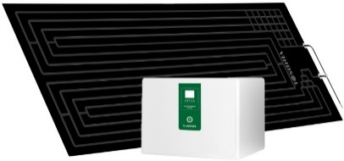 |  | Unit | Qty | Rate | Amount
 |  |  |  | Set | 1 | ₹ 172,000 | ₹ 172,000

Safety Kit Pack for Pressurised Tank - Additional Required
Vacuum Relief Valve GST @ 18% extra |  | WATTS imported 3/4 inch lead free Vacuum Relief Valve automatically allows air to enter into the piping system to prevent vacuum conditions that could siphon water from the system and damage water equipment. |  |  | included | 1
Safety Pressure Relief Valve GST @ 18% extra |  | Safety Pressure Relief Valve 1/2″ 3 Bar , Protects hot water cylinders and heating components from high pressure
Automatic Air Vent valve GST @ 18% extra |  | Brass Automatic Air Vent valve 1/2'' BSP male thread. It automatically removes trapped air from a central heating installation.
Water Circualtion pumps GST @ 12% extra |  | Mechlion Make Stainless steel Horizontal multistage pump Model : MHM 4-20 , 0.75 HP |  |  | included | 1
 |  |  |  |  | Total
INR : One Lakh forty Seventy two thousand only
TERMS & CONDITIONS
Prices applicable are at Site in Vidyaranya pura , Bangalore
Packing and forwarding cost : Included
Payment to be made 50% as advance along with order against proforma and balance priior to delivery
Delivery : within 2-3 weeks
Panel Installtion Structure will be in customer scope
Online Installation and commissioning Support will be provided
Note: The Complete System Includes the 1. thermodynamic box 2. Thermodynamic panels with clamps 3. Hot water Storage Tank of respective volume. Consumable like copper piping will required accessories and fittigs along with insulation will be in customers scope Complete Plumbing with insulation will be in scope of customer
Complete water Heating Solutions | Mechzephyr Engineering Pvt Ltd Shed No A 70 , KSSIDC , Bommasandra Industrial Area, Bangalore – 560099 Mobile : 9900095490 | Email: deepak@vindsol.in |  |  |  | Domestic water heat pumps Commercial Water Heat Pumps Next Gen Thermodynamics Heat Pumps Swimming pool heat pump

Mini 4 500
Technical Data Sheet - Domestic Thermodynamics Solar Heat Pump

NEXT-GEN THERMODYNAMICS SOLAR HEAT PUMP

Technical Data Sheet - Domestic Thermodynamics Solar Heat Pump

NEXT-GEN THERMODYNAMICS SOLAR HEAT PUMP |  |  | The Thermodynamic Solar System joins two incomplete technologies, the heat pump and the solar thermal collector. Heat pumps are quite efficient equipment but the heat they produce from their renewable component varies only according to changes in the temperature of the environment. Thermal solar collectors are the best source of heat on hot and sunny days, but they are totally inefficient whenever there is no sun. The thermodynamic Solar Technology manages to surpass the limitations of both the heat pump and solar collector. Through the cooling liquid (R134a or R407c ) which covers a closed circuit, the liquid goes into the solar panel and extract the thermal energy of sun , rain, wind, environment temperature and other climate factors . During this process the liquid gains heat in a more favorable way than a heat pump. after this stage , the heat it transferred to an exchanger with the help of a small compressor, which heats the water , The liquid cools down and the circuit is repeated. As the fluid has a boiling temperature of approximately -30C , the system works even when there is no sun and it even works at night, hail, rain, wind or shine , unlike the traditional solar thermal system. The energy consumption of the system is basically the same as fridge compressor that makes the liquid circulate. there are no ventilators that help the evaporation process, of defrost cycles, which imply unnecessary energy consumption, unlike what happened with heat pump

The Thermodynamic Solar technology offers high performance even at night, with rain, or on overcast days, this being an advantage over conventional solar panels whose performance is limited as they rely exclusively on direct solar radiation and a compulsory southward orientation (Northern Hemisphere).

NEXT-GEN THERMODYNAMICS SOLAR PANEL COLLECTOR Latest generation thermodynamic solar collector: it is a roll-bond panel with double channel through which the fluid refrigerant circulates, being able of providing high performance at night and in adverse climate conditions. Life span of more than 10 years: the panel is made of anodized aluminum 30 micron, which ensures The following properties • Great toughness at high and low temperatures. • High surface hardness. • Resistance to abrasion and weakening. • High protection against dust and dampness. • Corrosion-resistant. User-friendly transport and easy handling systems: small size 2 m x 0,8 m. Versatility: easy integration on facades, roofs or any other surface. It is not necessary to reinforce structures as it is a lightweight panel, 8 kg. Optimized solar catchment area: both sides of the panel, 3,20 sqm. No need to be south orientated (Northern Hemisphere). Vindsol recommends to orientate the collector as much as possible to the sun and exposed to the elements, such as wind and rain. Regular maintenance is not necessary.

NEXT-GEN THERMODYNAMICS SOLAR HEAT PUMP

TECHNICAL SPECIFICATION
Model |  | MiNi4-500

Thermodynamic Solar Panel
Material & Finish |  | Powder coated Anodised aluminium Alloy panel
Thickness | L X W X T (mm) | 2 mm aluminium for increased mechanical strength
Protection |  | Corrosion resistant and adaptability to all weathers
Dimensions L X W X T | mm | 2000 X 800 * 20
Maximum working Pr. | Bar | 10
Test pressure | Bar | 15
Maximum exposure temp. | °C | 100
Minimum running temp. | °C | 10
Qty | Nos | 8
Thermodynamic Box
Absorbed power KW (Average/Max) |  | 0.9/1.78 KW
Thermal Calorific power (Average/Max) |  | 3.55/7.16 KW
Compressor Type |  | Rotary Type - Heat pump COmpressor
Throttle Type |  | Electronic expansion valve (EEV)
Rated outlet water temp.℃ |  | 50-55 Deg
Max outlet water temp.℃ |  | 55 Deg
Power V/Ph/Hz |  | 220V/1PH/ 50Hz
Heat exchanger type |  | High efficiency tube in tube heat exchanger
Heat exchanger No. |  | 1
Controller type |  | Intelligent PCB & LCD
Ambient Temperature |  | (0℃~+45 ℃)
Low pressure protection |  | Yes
High pressure protection |  | Yes
Automatic defroting system |  | Yes
Overload protection |  | Yes
Noise in 1 meter |  | 50 dB
Water pipe size |  | 25 NB
Water flow volume |  | 2 M3/hr
Circulation Pump |  | Additional
Net Weight | Kg | 50 Kg Apprx
Cabinet | Type | Stainless Steel / Galvanised Steek
Dimension | LxWXH | 700 X 700 X 1000
Electrical support power |  | 2 Kw
Circulation Pump |  | Builtin Hot water circualtor Pump
Cabinet | Type | Stainless Steel / Galvanised Steek
Dimension | LxWXH | 500 X 450 X 375
Refrigerant
Cooling Fluid * |  | R134a
Piping Material |  | Copper (DHP ISO1337)
Line of liquid |  | 3/8"
Line of aspiration |  | 1/2"
Storage Water Heater
Volume | Litres | 500 Lts Glass Lined
Type of internal Tank |  | Cellipsoidal RC premium Steel
Outer Shell material |  | Pre Coated GI 0.5 mm
Inner Tank Dia |  | 610 mm
Outer tank dia |  | 710 mm
Coating of internal Tank |  | QuartzBlue Glass lining
Tank Insualtion |  | High density compressed PUF insualtion 50 mm
Water Inlet / Outlet | In | 3/4"
Circulation water inlet/outlet | In | 3/4"
Working pressure | Bar | 5
Test pressure | Bar | 8
Maximum water temp. | °C | 65
Water temperature | °C | 55
ELECTRIC BOARD - ONE TOUCH PCB CONTROLLER
One touch intelligent controller with Touch screen design, clear working condition displaying, and self-check function of error.
Power feed |  | 220V/1PH/ 50Hz
Controller |  | Next Gen PCB controller
Testing condition : * Heating: Ambient temp. (DB/WB): 20℃/15℃, water temp. (input/output): 15℃/55℃. The above data is only for reference: specific data is subject to the product
COPPER TUBING aand plumbing UNITS AND ACCESSORIES
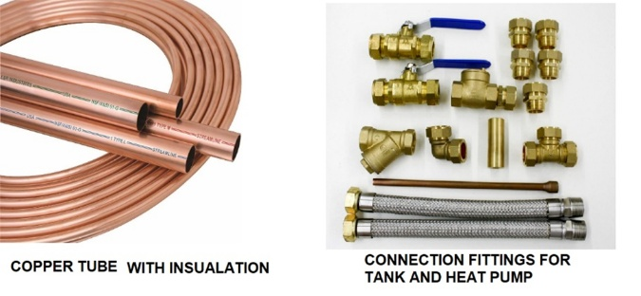 |  |  | “Consumables such as copper piping, including necessary accessories, fittings, and insulation, are considered for a standard length of 5 meters. Any additional requirement beyond this will be under the customer’s scope, depending on site conditions. The complete plumbing work, including insulation for the distribution line, shall also fall within the customer’s scope.”

